Sheet1
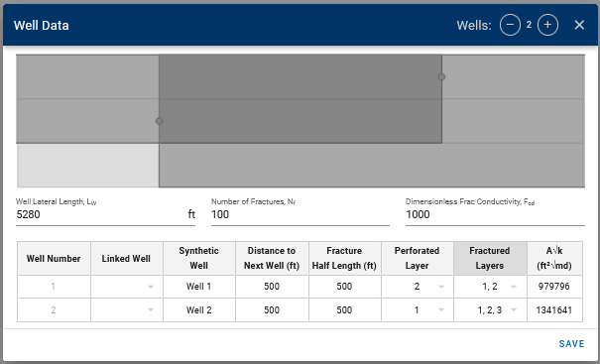
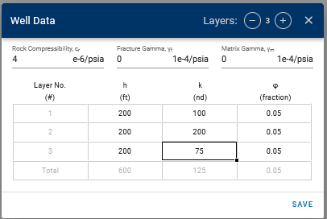
Single Layer Cases
Dist to next well | frac 1/2 len | Perfed Layer | Fractured Layer | Nf | h | k | ArootK
500 | 500 | 1 | 1 | 100 | 200 | 200 | 565685.42
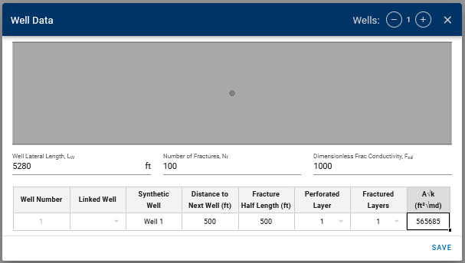
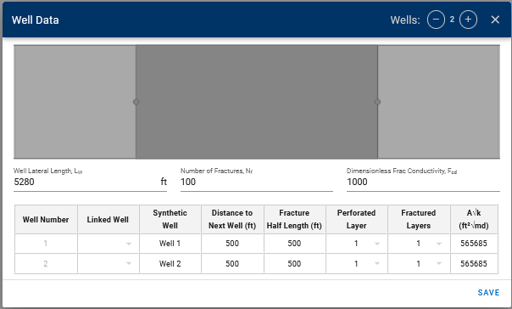
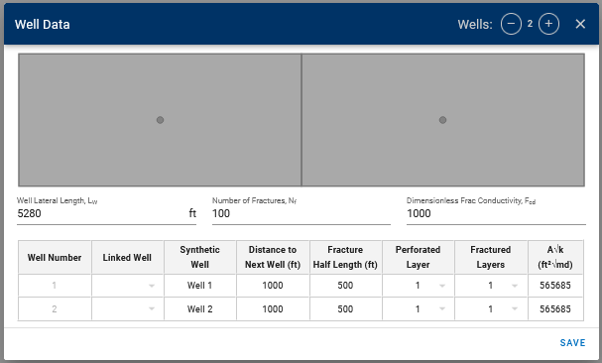

Multi-Layer case
More frac-ed layers - increase in h |  |  |  |  |  |  |  | Lower perm in one of the layers - uses net perm of frac-ed layers |  |  |  |  |  |  |  | Unused Layer - Does not change LFP
Dist to next well | frac 1/2 len | Perfed Layer | Fractured Layer | Nf | h | k | ArootK | Dist to next well | frac 1/2 len | Perfed Layer | Fractured Layer | Nf | h | k | ArootK | Dist to next well | frac 1/2 len | Perfed Layer | Fractured Layer | Nf | h | k | ArootK
500 | 500 | 1 | 1 | 100 | 400 | 200 | 1131370.85 | 500 | 500 | 1 | 1 | 100 | 400 | 150 | 979795.90 | 500 | 500 | 1 | 1 | 100 | 400 | 150 | 979795.90

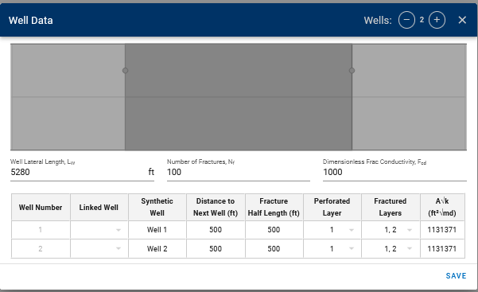
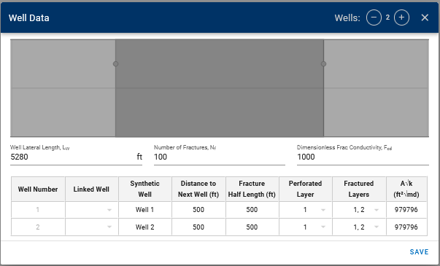
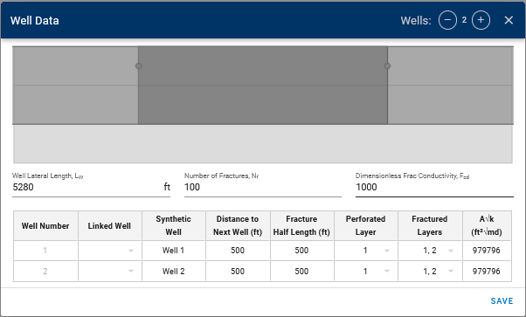

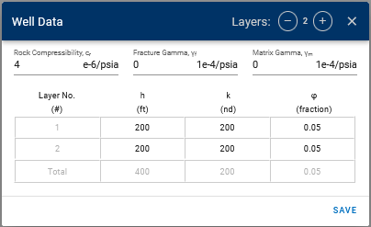

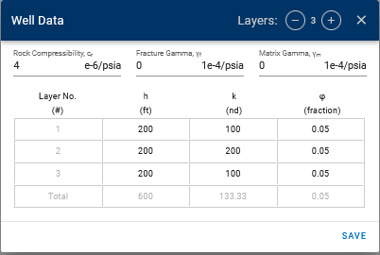

Unequal frac area - uses the net perm of frac-ed layers in each well
Dist to next well | frac 1/2 len | Perfed Layer | Fractured Layer | Nf | h | k | ArootK
500 | 500 | 1 | 1 | 100 | 400 | 150 | 979795.90
500 | 500 | 1 | 1 | 100 | 600 | 125 | 1341640.79

